Sesame Main Screen
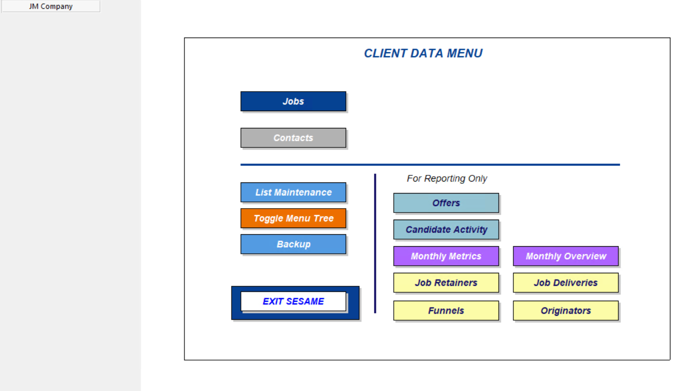

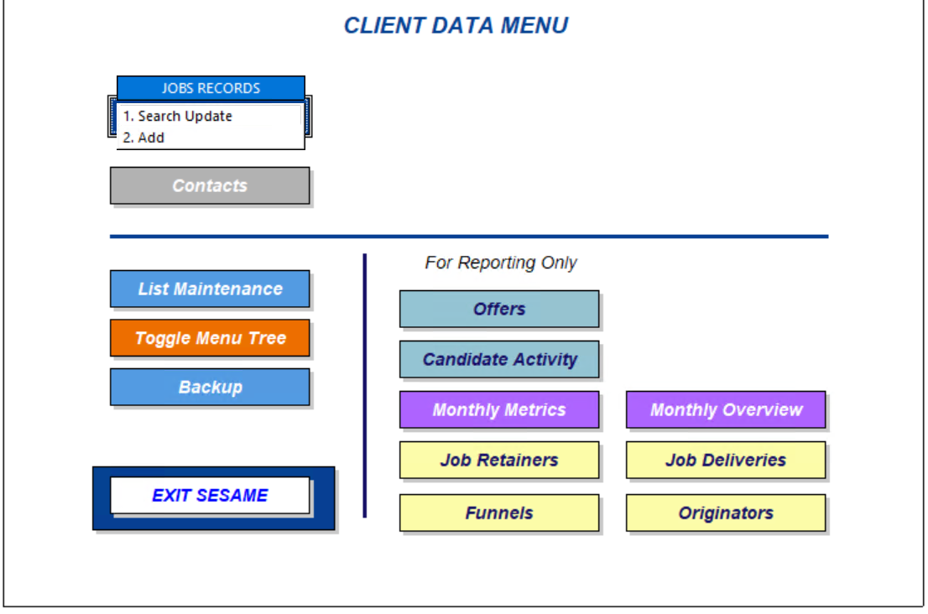

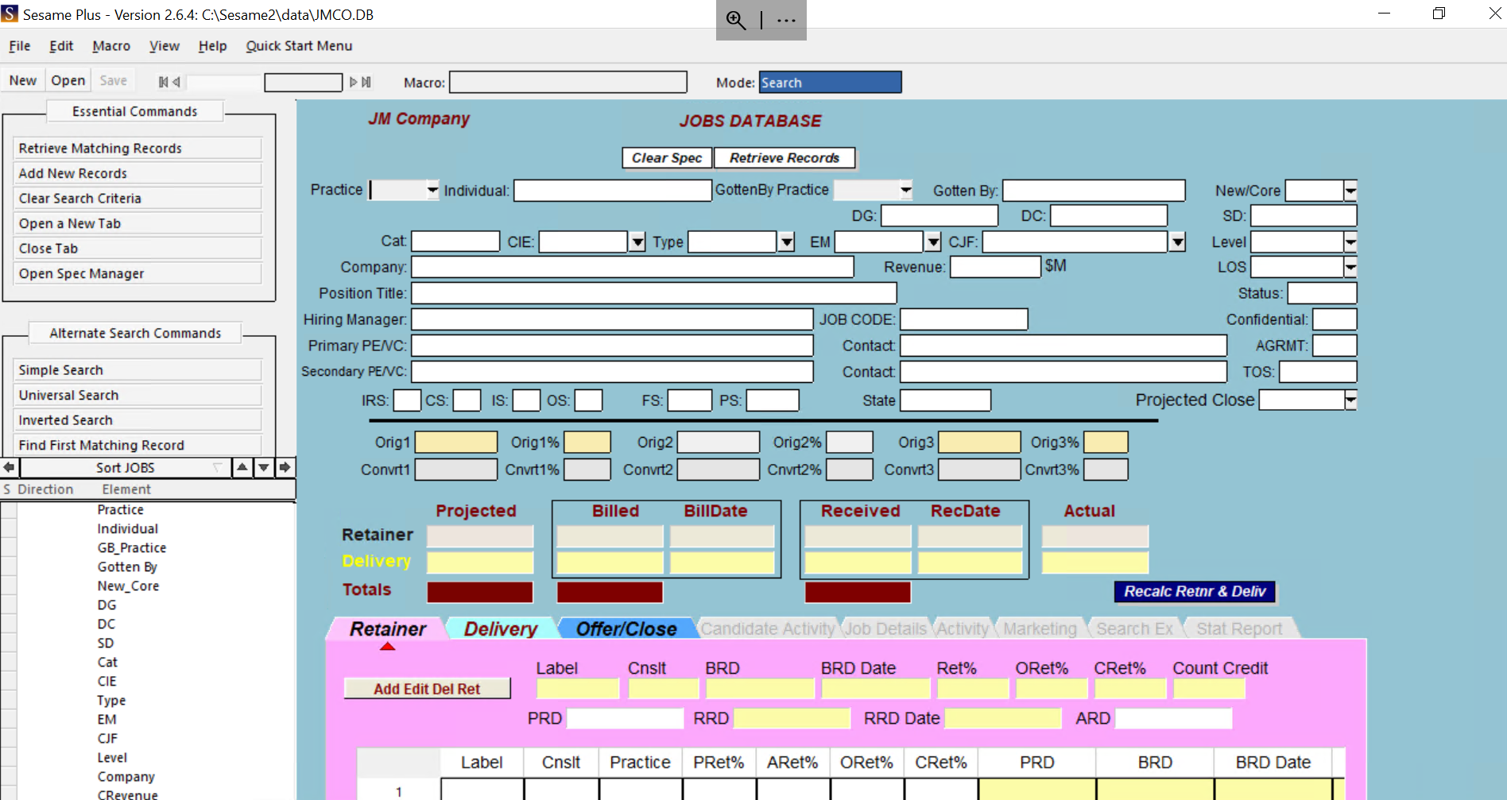

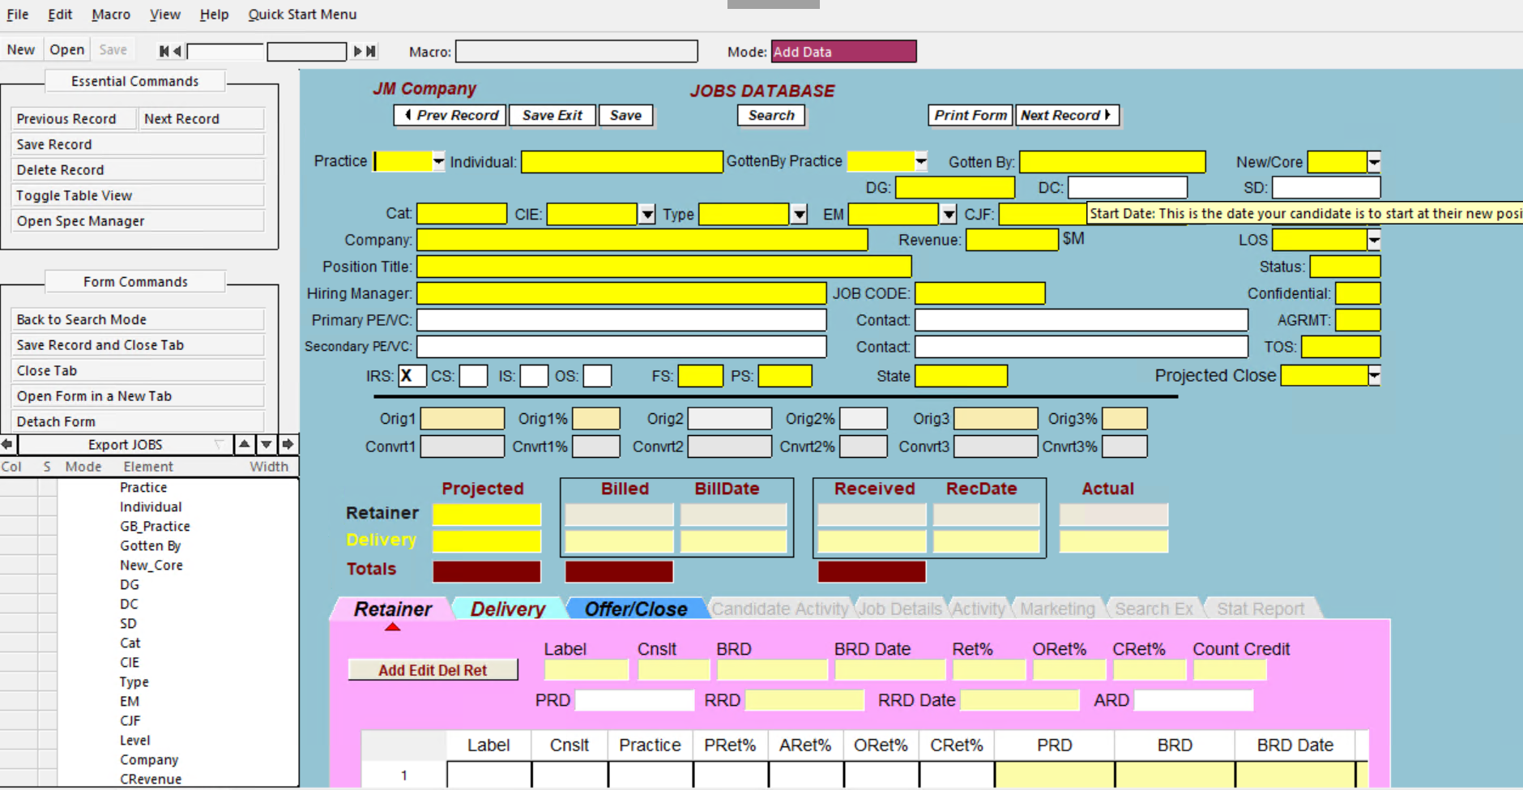

Sesame Application - Add
Sesame Application for Retainer / Delivery Documentation
number (field in S screen) | description of field | purpose of field | what is data used for? | how is the info used? | Calculated field or static? | required or optional? | if required-do we keep or make optional | Retain field in new tool? | required vs. optional | Invoice Request Form Field | Thrive Field | Comments
1 | Prev Record | Searching tool - prev. records. | Searching tool for multi records. | when we search for a multi records, we can use this button to go to the prev. records | ? | required | keep it | yes | required | No | No
2 | Save Exit | Save document & exit | Save document & exit | Save document & exit |  | required | keep it | yes | required | No | No
3 | Save | Save only | Save only | Save only |  | optional | optional | optional | optional | No | No
4 | Search | Search tool | Search tool | Search tool |  | required | keep it | yes | required | No | No
5 | Print Form | print form | print form | print form |  | required | keep it | yes | required | No | No | never used, but it's good to keep.
6 | Next Record | Searching tool - next records. | Searching tool for multi records. | when we search for a multi records, we can use this button to go to the next. records |  | required | keep it | yes | required | No | No
7 | Gotten By | Individual who won the business | the gotten by individual | we enter the gotten by last name, first name |  | required | keep it | yes | required | No | Yes
8 | Gotten By - Practice | Practice that won the buisness | to identify that practice | To tracks that data entered in the dash, and also to identify the practices that we manage |  | required | keep it | yes | required | No | Yes
9 | Individual | Executing Individual | the executor individual | we enter the executer last name, first name |  | required | keep it | yes | required | Yes | Yes | *Not always complete
10 | Practice | Executing Practice | to identify that practice | To tracks the data entered in the dash, and also to identify the practices that we manage |  | required | keep it | yes | required | No | Yes
11 | New/Core | New or Core client | tracking tool | maybe is used in the dash |  | required | keep it | yes | required | Yes | Yes | *Not always complete; often found in QB
12 | DG - Day gotten | The day the search was entered into the system | to identify the start of the search. | enter the start date in the system. |  | required | keep it | yes | required | No | No
13 | DC - Day close | search close date | to identify the close of the search. | enter the close date in the system when the search close. |  | required | keep it | yes | required | No | Yes
14 | SD - Start date | candidate start date | to identify the start date of the candidate. | It is used in our processing of the invoice. |  | required | keep it | yes | required | No | Yes | a good records to enter.
15 | Category - TECH or MFG | to identify if the practices if they were TECH or MFG | tracking tool | it's not required to be used anymore. |  | not required | not to keep | no | not required | No | No | *Based on Practices in thrive
16 | CIE -Core industry experience | not sure what is the used for. | N/A | N/A |  | not required | not to keep | no | not required | No | No
17 | Type | not sure what is the used for. | N/A | N/A |  | not required | not to keep | no | not required | No | No
18 | EM -End market | not sure what is the used for. | N/A | N/A |  | not required | not to keep | no | not required | No | No
19 | CJF -Core job function | Core job function | to tracks the position | maybe used in the dash |  | optional | optional | optional | optional | No | Yes | *Job Title - I believe this is a duplication
20 | Level | Position level of the search | to identify the job level | maybe used in the dash |  | optional | optional | optional | optional | No | Yes
21 | Company Name | Client company name; to identify the company that we are doing the search for. | to identify the company that we are doing the search for. |  |  |  |  |  |  | Yes | Yes | I usually use this field to add the parent/child companies together, and we should have a separate field for each.
22 | Revenue | Client company revenue | N/A | N/A |  | not required | not to keep | no | not required | No | No
23 | LOS - Level of Service? | to identify this is a search | to tracks that this is a search. |  |  | optional | optional | optional | optional | No | No | there are other denomination on the drop down menu but we only use "search"
24 | Position Title | Position title for search | processing/reports | to tracks position titles |  | required | keep it | yes | required | No | Yes
25 | Status - Active /Closed /Inactive | Search status | tracking tool | to track if the search was active/closed/ or suspended. |  | required | keep it | yes | required | No | Yes
26 | Hiring Manager | Client contact | communication/connection | communication/connection |  | required | keep it | yes | required | No | Yes | we need to add more fields for extra contacts.
27 | Job Code | to identify the job code search | processing/reports | to identify that search by using this job code. |  | required | keep it | yes | required | Yes | Yes | We need to be consistent with the individual user and develop a different user id.
28 | Confidential | to identify if the search was standard or confidential | awareness when we process the invoice | to be aware on how we process the invoice. |  | required | keep it | yes | required | Yes | Yes | *based on Invoice Verbiage field on request
29 | Primary PE/VC | Sponsor | communication/connection | communication/connection |  | required | keep it | yes | required | No | Yes | usually, I use this field to add important info taken from the agreement. Usually email address for contact
30 | Contact | Sponsor contact | communication/connection | communication/connection |  | required | keep it | yes | required | No | No | usually, I use this field to add important info taken from the agreement.
31 | AGRMT | Identify if there is an agreement; Is the agreement on file? | N/A | N/A |  | not required | not to keep | no | not required | No | No
32 | Secondary PE/VC | Secondary sponsor | communication/connection | communication/connection |  | required | keep it | yes | required | No | No | usually, I use this field to add important info taken from the agreement.
33 | Contact | secondary sponsor contact | communication/connection | communication/connection |  | required | keep it | yes | required | No | No | usually, I use this field to add important info taken from the agreement.
34 | TOS - Terms of Search; Retained/Marketed/Contingent/BackFill | Identify the process of search. | tracks the status of the search. | tracks the status of the search. |  | required | keep it | yes | required | No | Yes | *placement type in Thrive
35 | IRS - Initial recruiting stage | N/A | N/A | N/A |  | not required | not to keep | no | not required | No | No
36 | CS - candidate stage | N/A | N/A | N/A |  | not required | not to keep | no | not required | No | No
37 | IS - interview stage | N/A | N/A | N/A |  | not required | not to keep | no | not required | No | No
38 | OS - offer stage | N/A | N/A | N/A |  | not required | not to keep | no | not required | No | No
39 | FS - Fee Structure - 1/3 / 30% / 31.5% / Flat | Essential to identify the search rate fee | tracks the search fee. | in processing / reports |  | required | keep it | yes | required | No | Yes
40 | PS | N/A | N/A | N/A |  | not required | not to keep | no | not required | No | No
41 | State | Identify the job location of search. | tracks for tax purposes/ locations for reporting | tracking / reporting |  | required | keep it | yes | required | Yes | Yes | *there are fields in both, but we often chase this information
42 | Projected Close | Identify the duration of the search; Projected days til close | tracking tool | reporting |  | optional | optional | optional | optional | No | No | we only use 90 days even if the drop-down menu has other terms.
43 | Orig1 - First originator | identify the gotten by or the orig individual initials | processing/reports | processing / reporting |  | required | keep it | yes | required | Yes | Yes
44 | Orig1 % - First originator percenteage | identify the gotten by or the orig individual initials | processing/reports | processing / reporting |  | required | keep it | yes | required | Yes | Yes
45 | Orig 2 - Second originator | identify the gotten by or the orig individual initials | processing/reports | processing / reporting |  | required | keep it | yes | required | Yes | Yes
46 | Orig 2 % - Second originator percentage | identify the gotten by or the orig individual initials | processing/reports | processing / reporting |  | required | keep it | yes | required | Yes | Yes
47 | Orig 3 - Third originator | identify the gotten by or the orig individual initials | processing/reports | processing / reporting |  | required | keep it | yes | required | Yes | Yes
48 | Orig 3 % - Third originator percentage | identify the gotten by or the orig individual initials | processing/reports | processing / reporting |  | required | keep it | yes | required | Yes | Yes
49 | Convrt 1 - First converter | identify the conv ind. Initials | processing/reports | processing / reporting |  | required | keep it | yes | required | Yes | Yes
50 | Convrt 1 % - First converter percentage | identify the conv ind. Initials | processing/reports | processing / reporting |  | required | keep it | yes | required | Yes | Yes
51 | Convrt 2 - Second converter | identify the conv ind. Initials | processing/reports | processing / reporting |  | required | keep it | yes | required | Yes | Yes
52 | Convrt 2 % - Second converter percentage | identify the conv ind. Initials | processing/reports | processing / reporting |  | required | keep it | yes | required | Yes | Yes
53 | Convrt 3 - Third converter | identify the conv ind. Initials | processing/reports | processing / reporting |  | required | keep it | yes | required | Yes | Yes
54 | Convrt 3 % - Third converter percentage | identify the conv ind. Initials | processing/reports | processing / reporting |  | required | keep it | yes | required | Yes | Yes
55 | Projected(Retainer/Delivery) | Projected retainer amount/Projected delivery amount/Projected totals amount | processing/reports | processing / reporting |  | required | keep it | yes | required | No | No | We calculate based on the search fee and comp plan
56 | Billed (R/D) | Billed retainer amount/Billed delivery amount/Billed totals amount | processing/reports / accounting | processing/reports / accounting |  | required | keep it | yes | required | No | No
57 | BillDate (R/D) | Date retainer was billed/Date delivery was billed | processing/reports / accounting | processing/reports / accounting |  | required | keep it | yes | required | No | No
58 | Received (R/D) | Received retainer amount/Received delivery amount/Received totals amount | processing/reports / accounting | processing/reports / accounting |  | required | keep it | yes | required | No | No
59 | RecDate (R/D) | Date retainer was received/Date delivery was received | processing/reports / accounting | processing/reports / accounting |  | required | keep it | yes | required | No | No
60 | Actual | Actual retainer amount/Actual delivery amount | N/A | N/A |  | not required | not to keep | no | not required | No | No
61 | Recalc Retner & deliv | to recalculate the changes and adjustments | processing | processing |  | optional | optional | optional | optional | No | No | It is a good tool if it works!
62 | Tot ActRetPerc | calculate the percentage of the search fee | processing/reports / accounting | processing/reports / accounting |  | required | keep it | yes | required | No | No
63 | LastUpdate | Auditing | Auditing/reporting/tracking | Auditing/reporting/tracking |  | required | keep it | yes | required | No | No | We need an improvement system for a perfect auditing the show who/what was changed/when

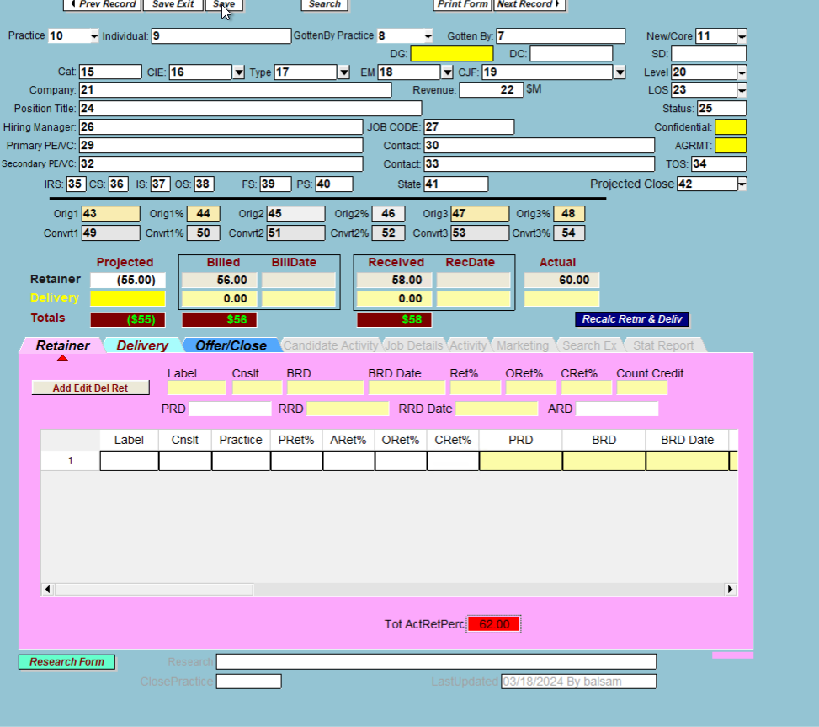

⑬

28
31

61

55
56
57
58
59
60

62

63

Retainer
Sesame Retainer processing
number (field in S screen) | description of field | purpose of field | what is data used for? | how is the info used? | Calculated field or static? | required or optional? | if required-do we keep or make optional | Retain field in new tool? | required vs. optional | Invoice Request Form Field | Thrive Field | Comments
1 | Add Edit Del / Ret. | From the drop-down menu, we select either add a retainer, edit a retainer, or delete a retainer. | processing the invoice | processing/accounting/reporting | ? | required | keep it | yes | required | no | no
2 | Label | To identify if the individual was an originator or convertor. | processing the invoice | processing/accounting/reporting |  | required | keep it | yes | required | Yes | Yes
3 | Cnslt | The initial of the individual is entered in this field; Indvidual collecting the origination or conversion | processing the invoice | processing/accounting/reporting |  | required | keep it | yes | required | Yes | Yes
4 | BRD | The individual's Revenue is entered in this field; *Billed retainer dollars | processing the invoice | processing/accounting/reporting |  | required | keep it | yes | required | yes | no
5 | BRD Date | The date of processing the invoice entered in this field; *Bill date | processing the invoice | processing/accounting/reporting |  | required | keep it | yes | required | no | no
6 | Ret % | The percentage required for this individual is entered in this field. | processing the invoice | processing/accounting/reporting |  | required | keep it | yes | required | no | no
7 | ORet % | *Originiation retainer percentage | N/A | N/A |  | not required | not to keep | no | not required | no | no
8 | CRet % | *Conversion retainer percenteage | N/A | N/A |  | not required | not to keep | no | not required | no | no
9 | Count Credit | Unsure of this use? |  |  |  | not required | not to keep | no | not required | no | no
10 | PRD | Paid Retainer dollars | processing the invoice | processing/accounting/reporting |  | required | keep it | yes | required | no | no
11 | RRD | Paid Rev. dollar; *Received retainer dollars | processing the invoice | processing/accounting/reporting |  | required | keep it | yes | required | no | no
12 | RRD Date | Paid Rev. date; *Received retainer date | processing the invoice | processing/accounting/reporting |  | required | keep it | yes | required | Yes | Yes
13 | ARD | N/A | N/A | N/A |  | not required | not to keep | no | not required | Yes | Yes

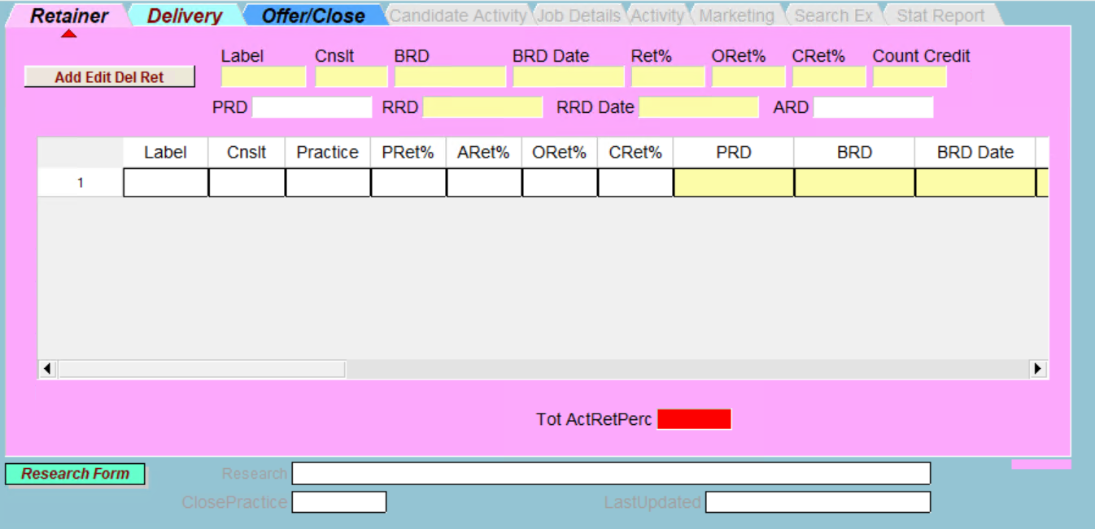

See Sesame Application tab under 62 & 63

Delivery
Sesame Delivery processing
number (field in S screen) | description of field | purpose of field | what is data used for? | how is the info used? | Calculated field or static? | required or optional? | if required-do we keep or make optional | Retain field in new tool? | required vs. optional | Invoice Request Form Field | Thrive Field | Comments
1 | Add Edit Del / Ret. | From the drop-down menu, we select either add a retainer, edit a retainer, or delete a retainer. | processing the invoice | processing/accounting/reporting | ? | required | keep it | yes | required | no | no
2 | Label | To identify the individual as a DELCON | processing the invoice | processing/accounting/reporting |  | required | keep it | yes | required | Yes | Yes
3 | Cnslt | The initial of the individual is entered in this field; Indvidual collecting the delivery | processing the invoice | processing/accounting/reporting |  | required | keep it | yes | required | Yes | Yes
4 | BDD | The individual's revenue is entered in this field; *Billed delivery dollars | processing the invoice | processing/accounting/reporting |  | required | keep it | yes | required | yes | no
5 | BDD Date | The date of processing the invoice entered in this field; *Bill date | processing the invoice | processing/accounting/reporting |  | required | keep it | yes | required | no | no
6 | Del % | The percentage required for this individual is entered in this field. | processing the invoice | processing/accounting/reporting |  | required | keep it | yes | required | no | no
7 | PDD | *Paid delivery dollars | processing the invoice | processing/accounting/reporting |  | required | keep it | yes | required | no | no
8 | RDD | Paid Rev. dollar; *Received delivery dollars | processing the invoice | processing/accounting/reporting |  | required | keep it | yes | required | no | no
9 | RDD Date | Paid Rev. date; *Received delivery date | processing the invoice | processing/accounting/reporting |  | required | keep it | yes | required | no | no
10 | ADD | N/A | N/A | N/A |  | not required | not to keep | no | not required | no | no

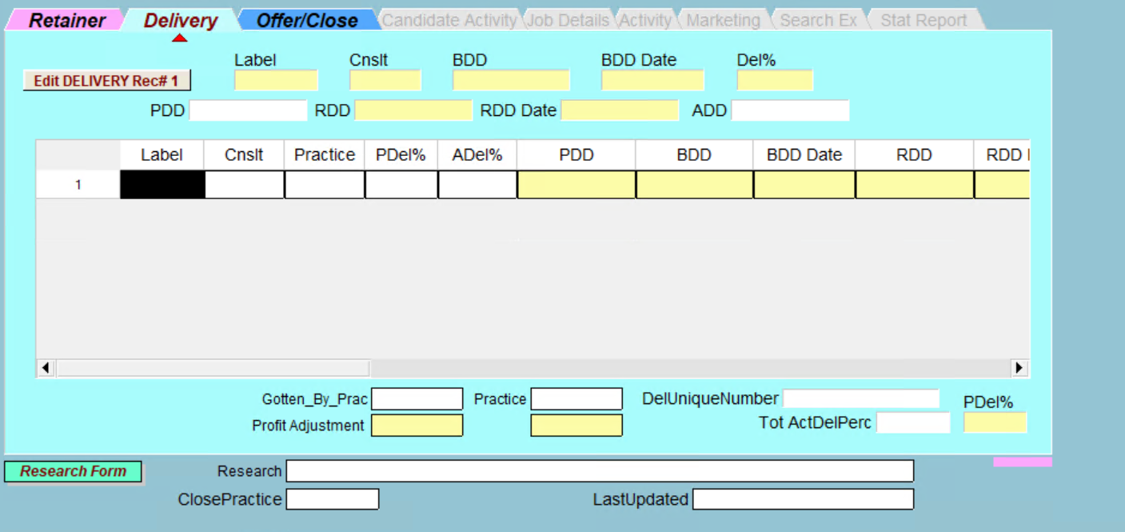

❶

List Maintenance
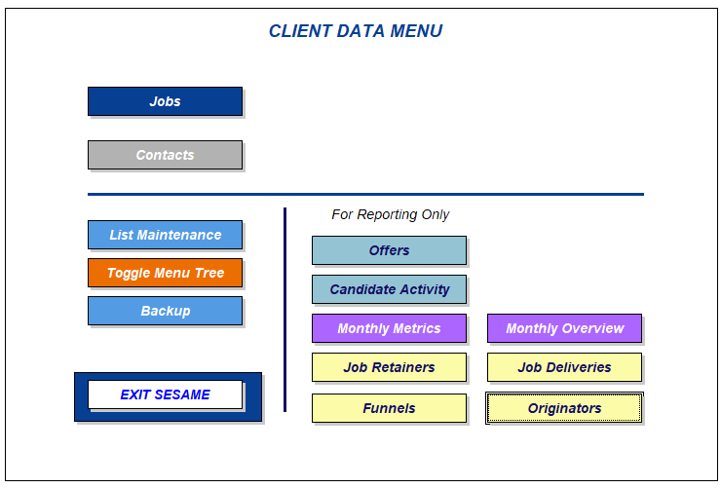
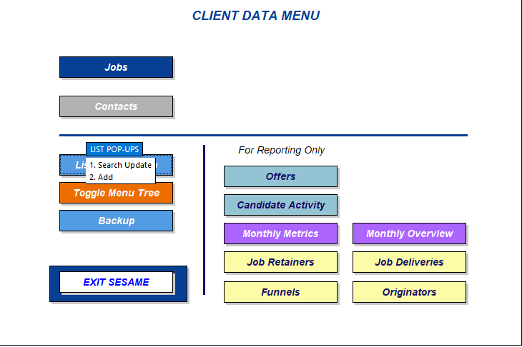
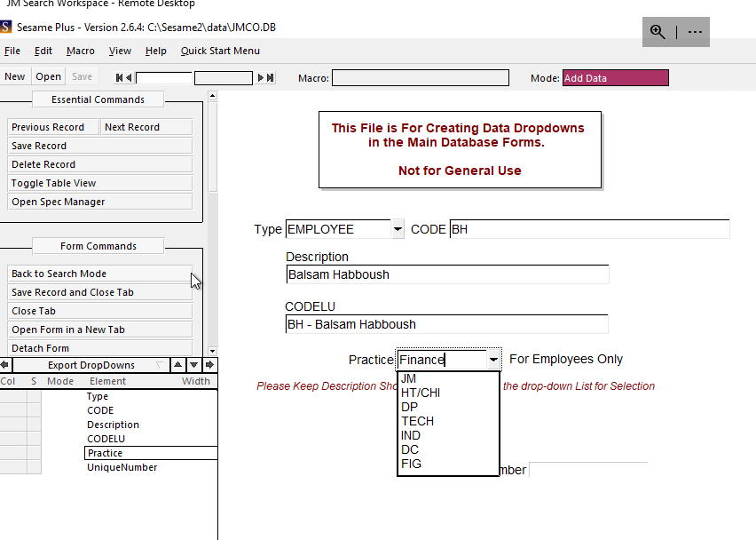
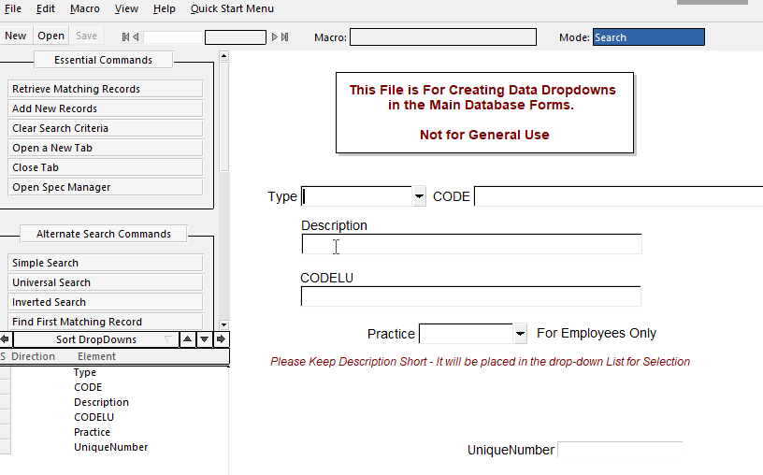
Sesame List Maintenance processing
number (field in S screen) | description of field | purpose of field | what is data used for? | how is the info used? | required or optional? | if required-do we keep or make optional | Retain field in new tool? | required vs. optional | Invoice Request Form Field | Thrive Field | Comments
1 | List Maintenance | To add/ search employee | To add/ search employee | processing/accounting/reporting | required | keep it | yes | required | no | no
2 | Add Data | to add the new individual | Adding new employee | processing/accounting/reporting | required | keep it | yes | required | no | no
3 | Type | You can select any type you want, but for this example, we selected employee | To identify the info that we are adding. | processing/accounting/reporting | required | keep it | yes | required | no | no
4 | CODE | To identify each individual by using their initials in the system | To identify the info that we are adding. | processing/accounting/reporting | required | keep it | yes | required | no | no | Recommend using three initials for the new system because the multi-employee has the same initials.
5 | Description | This field used for full name of the employee | To identify the info that we are adding. | processing/accounting/reporting | required | keep it | yes | required | no | no
6 | CODELU | This field used for adding the initials with the identifying name. | To identify the info that we are adding. | processing/accounting/reporting | required | keep it | yes | required | no | no
7 | Practice | To identify the practice of the individual | To identify the info that we are adding. | processing/accounting/reporting | required | keep it | yes | required | no | no

Checker Reporting
Sesame Cheker Reporting
number (field in S screen) | description of field | purpose of field | what is data used for? | how is the info used? | required or optional? | if required-do we keep or make optional | Retain field in new tool? | required vs. optional | Comments
1 | Job Retainers | The purpose of this field is to create a report that matches the report in QB to insure that data were processed in both system are matched. | Accuracy and reporting | processing/accounting/reporting | required | keep it | yes | required
2 | Job Deliveries | The purpose of this field is to create a report that matches the report in QB to insure that data were processed in both system are matched. | Accuracy and reporting | processing/accounting/reporting | required | keep it | yes | required
3 | BRD Date | To select the date by entering: >=Date (MM/DD) currect year | generating report | processing/accounting/reporting | required | keep it | yes | required
4 | Quick Report Retainer | to run the retainer report | generating report | processing/accounting/reporting | required | keep it | yes | required
5 | Load | Load data | generating report | processing/accounting/reporting | required | keep it | yes | required
6 | Run | Run report | generating report | processing/accounting/reporting | required | keep it | yes | required
7 | See the instructions below

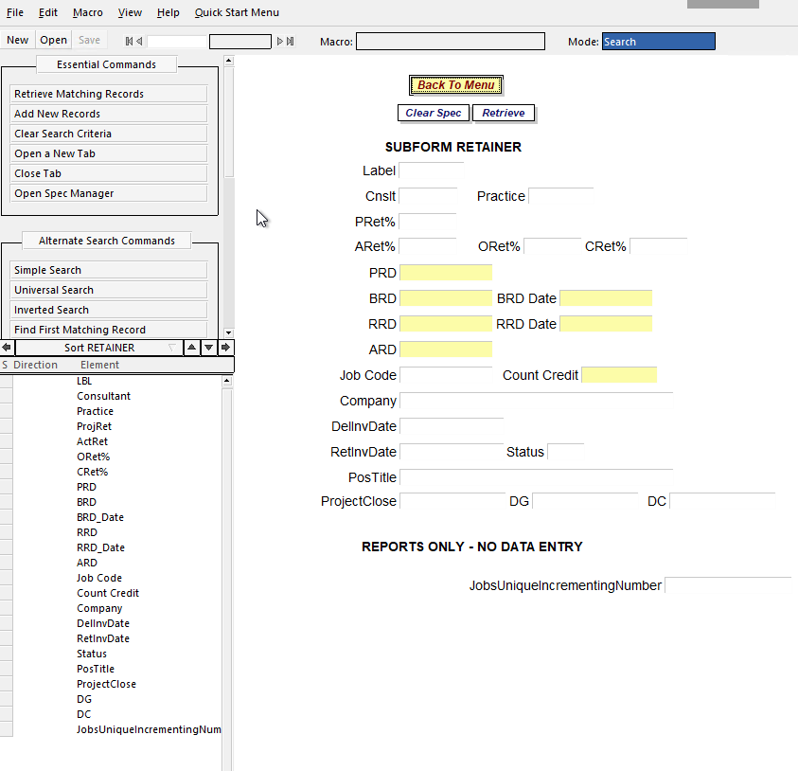


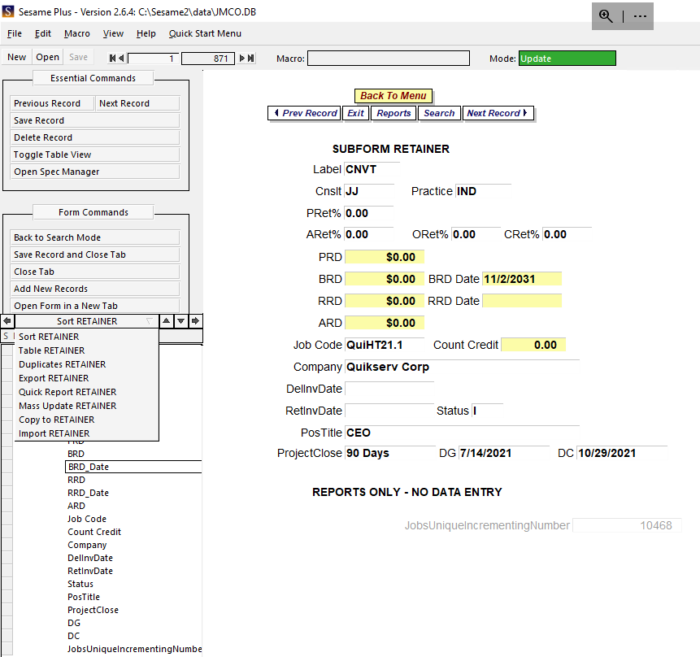

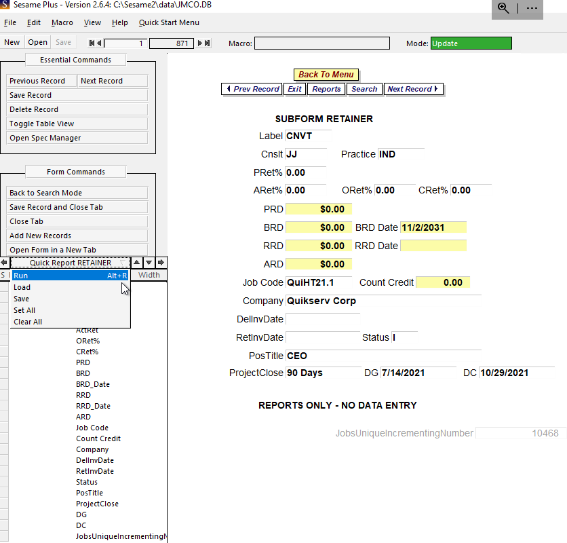

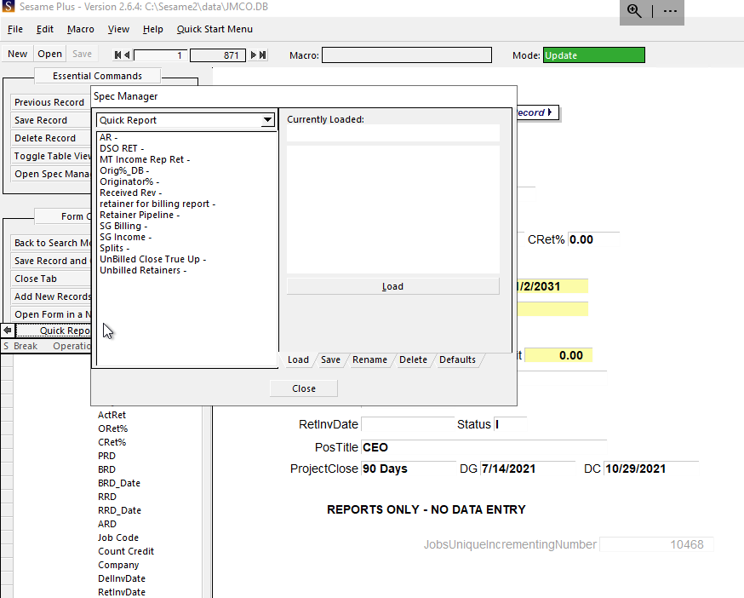

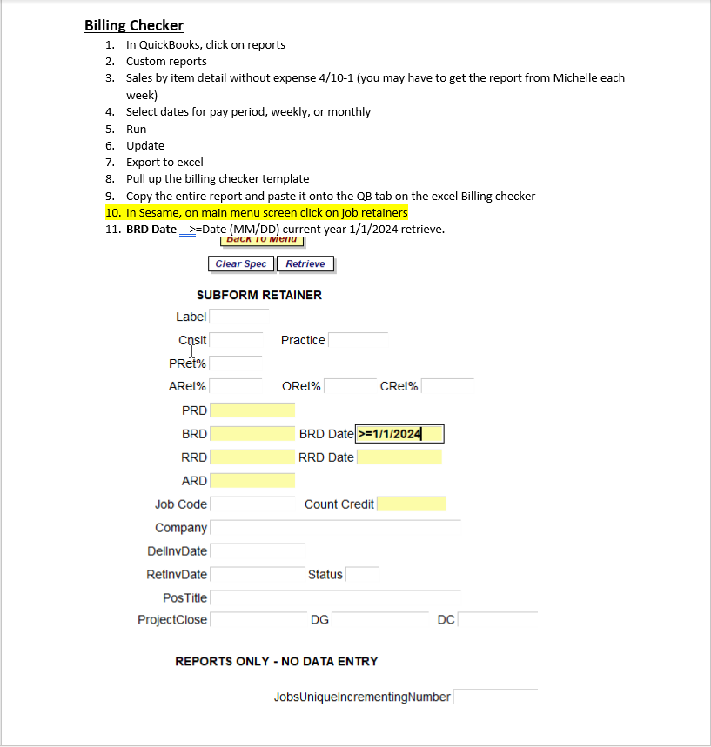
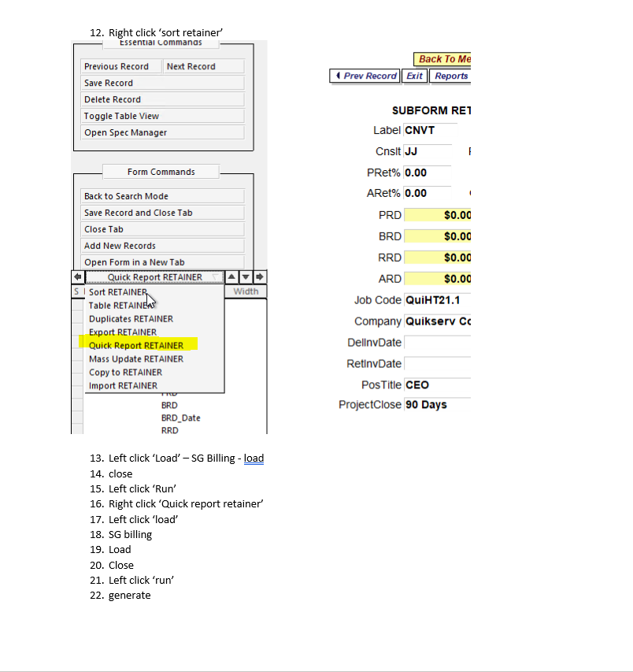

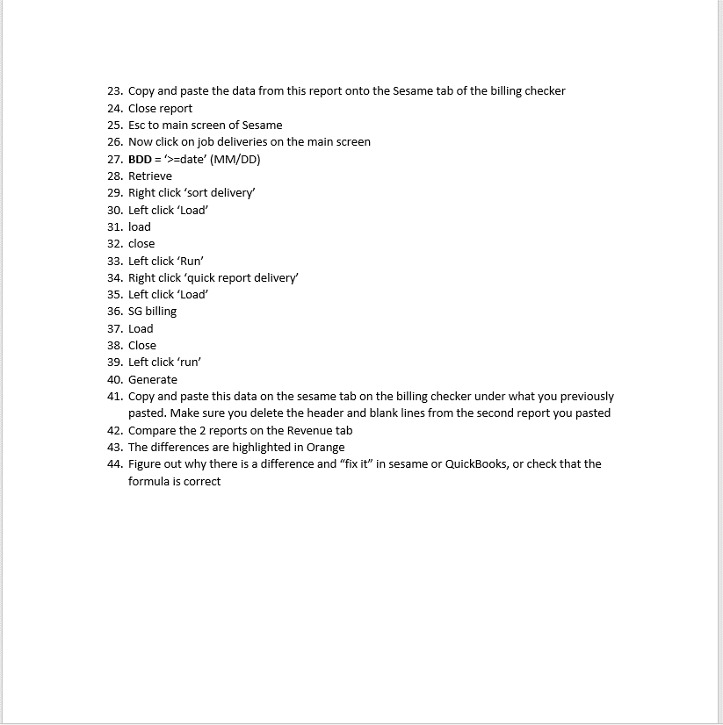
 |  |  |  | This is type of the report
 |  |  |  | Practice | consultant | company | position | job code | amount
 |  |  |  | IND | JJ | Quikserv Corp | CEO | QuiHT21.1 | $0.00
 |  |  |  | HC | AH | Elara Caring | SVP/EVP | ELRAH21.2 | $45,000.00
 |  |  |  | TECH | FK | BrightEdge Technologies | Confidential Controller / Professional Services | BRIFK23.1 | $15,000.00
 |  |  |  | TECH | FK | BrightEdge Technologies | Confidential Controller / Professional Services | BRIFK23.1 | $15,000.00
 |  |  |  | DC | DC | Interstate Waste Services, Inc. | FP&A Analyst - NJ | INTDC23.6-1 | $5,000.00
 |  |  |  | DP | BD | Interstate Waste Services, Inc. | FP&A Analyst - NJ | INTDC23.6-1 | $5,000.00
 |  |  |  | TECH | JW | Colony Display, LLC | Chief Executive Officer | COLJW23.2 | $18,750.00
 |  |  |  | TECH | JW | Colony Display, LLC | Chief Executive Officer | COLJW23.2 | $4,687.00
 |  |  |  | HT/CHI | TM | Colony Display, LLC | Chief Executive Officer | COLJW23.2 | $14,063.00
 |  |  |  | HC | AH | AGS Health LLC | General Manager, Coding & Automation | AGSAH23.1 | $13,875.00
 |  |  |  | HC | CG | AGS Health LLC | General Manager, Coding & Automation | AGSAH23.1 | $13,875.00

Function Key
Important tools in Sesame
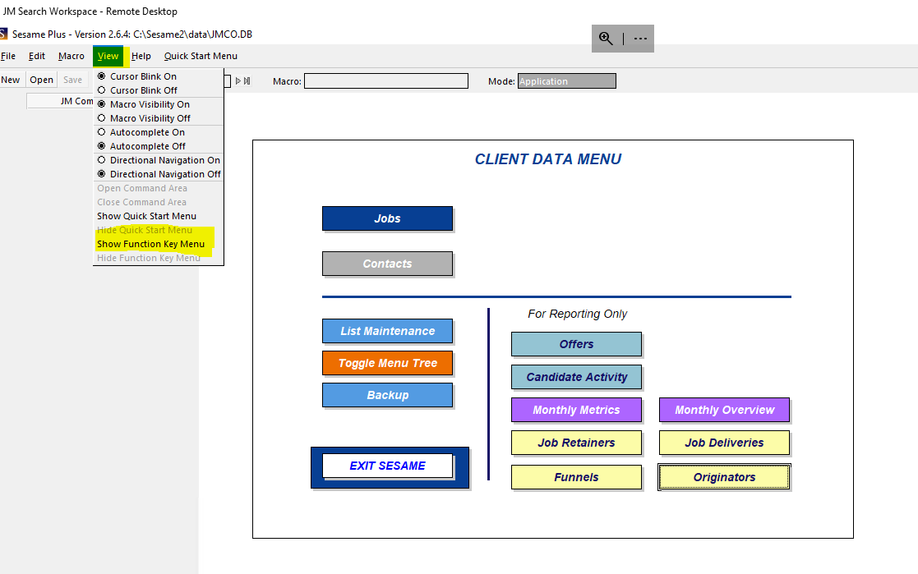

 | 1 | I use these functions if I need to look up a search.
 | 2 | If I have two searches to enter so I enter one and copy paste the other so I don't do the data entry twice.
 | 3 | I use it when I am adding a new employee

Instructions
Sesame screenshot documentation:

1. take a screenshot of the Sesame screen for Retainer, delivery and offer/close.
2. number every field on the screenshot and list all information per below.
3. we want to answer the following questions with this chart: a) what do we do in this tool? What are the uses of the tool? What do we get out of it (reports on new retainers, rev and OC splits, etc.
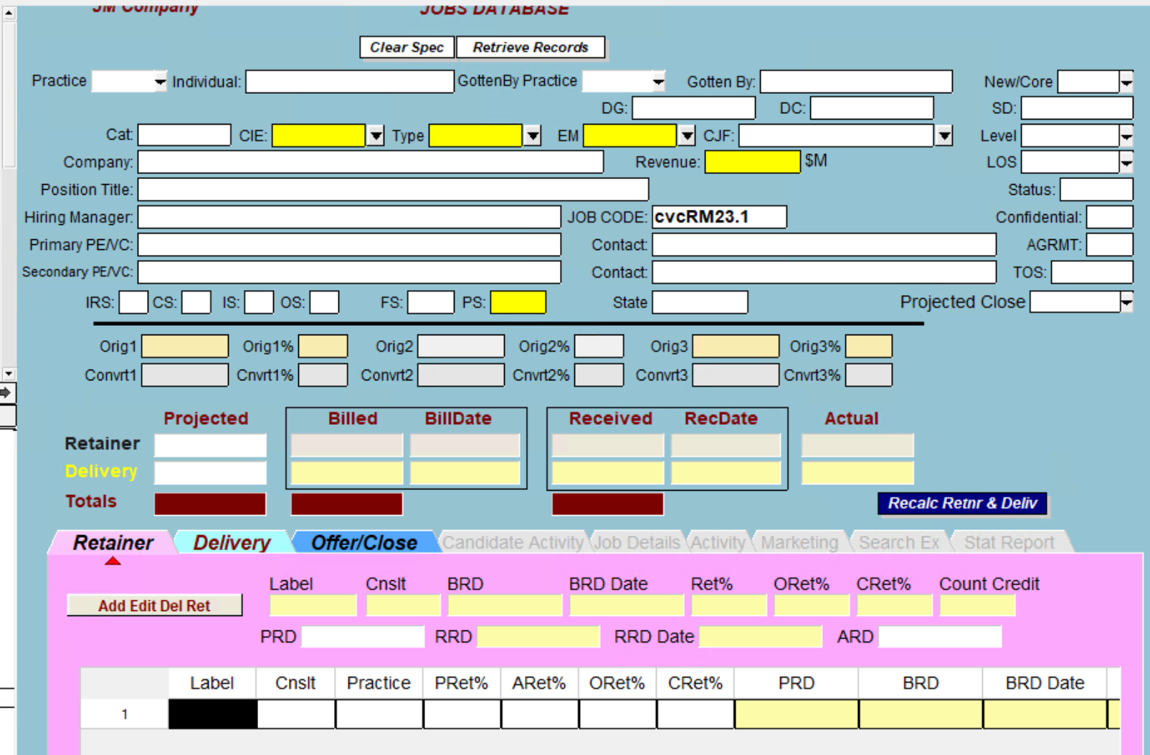
number (field in S screen) | description of field | purpose of field | what is data used for? | how is the info used? | Calculated field or static? | required or optional? | if required-do we keep or make optional | Retain field in new tool? | required vs. optional
1 | field defines the delivery practice | identifies del practice | in reports | tracks del practice | static, requires input | required | keep req'd | yes | required
2 | defines delivery resource name
3 | what practice got the search
4
5
6
7
8
9
10
11
12
13
14
15
16
17
18
19
20
21
22
23
24
25
26
27
28
29
30

